Program Performance Measures
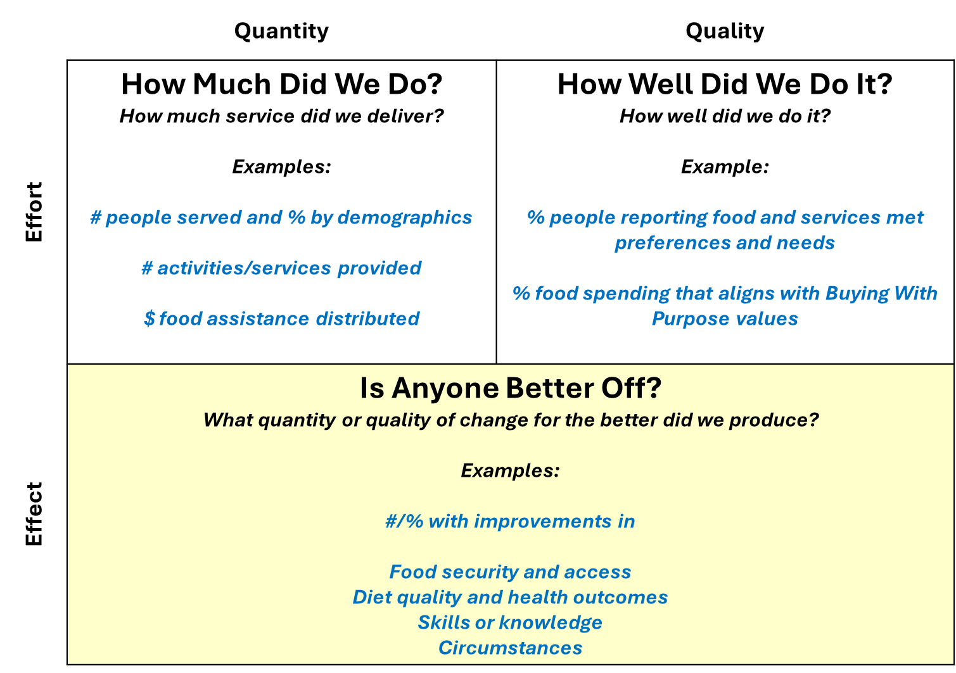
About Food Action Plan Program Performance Measures
Developing a set of core performance measures (or even an integrated data collection and reporting approach) across a complex initiative like the Food Action Plan is inherently challenging because the Plan spans dozens of programs, strategies, and implementation partners. Performance measures and outcomes vary considerably across programs due to distinct differences in program goals, the populations served, the services delivered, and the timeframes in which results can reasonably be expected. Despite these differences, Food Action Plan staff are working together to align performance measures and data collection where possible, improve consistency in reporting, and move toward a shared results-based accountability framework that supports transparency, learning, and continuous improvement across the full initiative.

Results-Based Accountability (RBA) is an approach used by service organizations to improve the performance of programs. RBA uses a data matrix to describe categories of performance measures along four quadrants based on the intersection of quantity and quality and effort and effect. These combinations lead to three universal performance measure categories: • How much did we do? • How well did we do it? • Is anyone better off? (How much change did we produce? What quality of change did we produce?) Future outcome reporting for the Food Action Plan will continue to evolve toward an RBA framework, strengthening how the City tracks not only what activities are implemented, but whether those efforts are making a meaningful difference for communities.

Results-Based Accountability Performance Measure Categories:
Reference: https://clearimpact.com/results-based-accountability/example-performance-measures-can-use-program-service/

